Routes
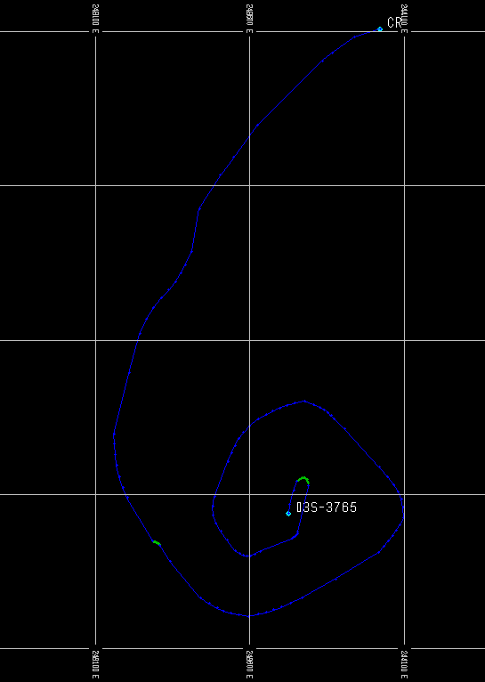
Index | Id | X | Y | Z | Comentario
64 | Ramp | 244097.104 | 8344523.173 | 3870 | Punto 3
63 | Ramp | 244095.887 | 8344557.321 | 3870
62 | Ramp | 244090.555 | 8344584.617 | 3870
61 | Ramp | 244080.694 | 8344608.179 | 3870
60 | Ramp | 244065.886 | 8344631.123 | 3870
59 | Ramp | 244045.716 | 8344656.565 | 3870
58 | Ramp | 244019.769 | 8344687.623 | 3870
57 | Ramp | 243907.419 | 8344810.673 | 3870
56 | Ramp | 243872.559 | 8344843.9 | 3870
55 | Ramp | 243862.082 | 8344854.727 | 3868.542
54 | Ramp | 243851.897 | 8344864.122 | 3867.201
53 | Ramp | 243840.121 | 8344872.808 | 3865.785
52 | Ramp | 243824.871 | 8344881.505 | 3864.086
51 | Ramp | 243804.267 | 8344890.935 | 3861.893
50 | Ramp | 243776.425 | 8344901.82 | 3859
49 | Ramp | 243743.87 | 8344895.122 | 3855.728
48 | Ramp | 243717.582 | 8344887.789 | 3853.042
47 | Ramp | 243695.106 | 8344879.377 | 3850.679
46 | Ramp | 243673.99 | 8344869.439 | 3848.382
45 | Ramp | 243651.781 | 8344857.533 | 3845.901
44 | Ramp | 243626.025 | 8344843.212 | 3843
43 | Ramp | 243599.015 | 8344820.763 | 3839.717
42 | Ramp | 243578.464 | 8344799.885 | 3836.979
41 | Ramp | 243562.74 | 8344779.293 | 3834.558
40 | Ramp | 243550.208 | 8344757.697 | 3832.224
39 | Ramp | 243539.236 | 8344733.81 | 3829.767
38 | Ramp | 243528.189 | 8344706.344 | 3827
37 | Ramp | 243484.955 | 8344591.492 | 3815
36 | Ramp | 243478.719 | 8344559.707 | 3812.024
35 | Ramp | 243480.486 | 8344532.248 | 3809.495
34 | Ramp | 243489.434 | 8344506.685 | 3807.007
33 | Ramp | 243504.739 | 8344480.59 | 3804.227
32 | Ramp | 243525.58 | 8344451.533 | 3800.941
31 | Ramp | 243551.133 | 8344417.086 | 3797
30 | Ramp | 243566.46 | 8344408.029 | 3795.783
29 | Ramp | 243578.898 | 8344402.125 | 3794.842
28 | Ramp | 243590.042 | 8344399.598 | 3794.061
27 | Ramp | 243601.49 | 8344400.673 | 3793.276
26 | Ramp | 243614.838 | 8344405.575 | 3792.304
25 | Ramp | 243631.685 | 8344414.528 | 3791
24 | Ramp | 243735.205 | 8344457.077 | 3781
23 | Ramp | 243739.69 | 8344459.731 | 3780.654
22 | Ramp | 243743.589 | 8344462.305 | 3780.345
21 | Ramp | 243746.97 | 8344465.151 | 3780.052
20 | Ramp | 243749.901 | 8344468.621 | 3779.75
19 | Ramp | 243752.45 | 8344473.066 | 3779.411
18 | Ramp | 243754.685 | 8344478.84 | 3779
17 | Ramp | 243788.885 | 8344627.212 | 3765 | Punto 2
 | $
87 | Ramp | 243341.463 | 8344382.238 | 3959 | Punto 4
88 | Ramp | 243307.503 | 8344435.254 | 3960.612 | Punto 5
 | $
65 | Ramp | 244097.104 | 8344523.173 | 3870 | Punto 3
66 | Ramp | 244084.548 | 8344500.521 | 3872.432
67 | Ramp | 244073.071 | 8344481.989 | 3874.479
68 | Ramp | 244061.595 | 8344465.685 | 3876.351
69 | Ramp | 244049.039 | 8344449.715 | 3878.258
70 | Ramp | 244034.325 | 8344432.186 | 3880.407
71 | Ramp | 244016.375 | 8344411.205 | 3883
72 | Ramp | 243876.581 | 8344324.942 | 3899
73 | Ramp | 243768.122 | 8344264.191 | 3911
74 | Ramp | 243731.787 | 8344247.399 | 3914.913
75 | Ramp | 243702.263 | 8344234.699 | 3918.056
76 | Ramp | 243676.664 | 8344225.09 | 3920.729
77 | Ramp | 243652.109 | 8344217.576 | 3923.24
78 | Ramp | 243625.713 | 8344211.157 | 3925.895
79 | Ramp | 243594.593 | 8344204.836 | 3929
80 | Ramp | 243563.47 | 8344209.205 | 3931.967
81 | Ramp | 243537.782 | 8344214.514 | 3934.444
82 | Ramp | 243514.978 | 8344221.727 | 3936.702
83 | Ramp | 243492.503 | 8344231.807 | 3939.028
84 | Ramp | 243467.807 | 8344245.717 | 3941.704
85 | Ramp | 243438.337 | 8344264.421 | 3945
86 | Ramp | 243341.463 | 8344382.238 | 3959 | Punto 4
 | $
101 | Ramp | 243284.366 | 8344448.639 | 3960.393 | Punto 6
102 | Ramp | 243201.718 | 8344588.571 | 3960
103 | Ramp | 243186.778 | 8344622.538 | 3960.019
104 | Ramp | 243175.456 | 8344657.432 | 3960.039
105 | Ramp | 243167.388 | 8344692.726 | 3960.058
106 | Ramp | 243162.205 | 8344727.893 | 3960.076
107 | Ramp | 243159.542 | 8344762.407 | 3960.094
108 | Ramp | 243159.032 | 8344795.74 | 3960.112
109 | Ramp | 243208.141 | 8344993.217 | 3977
110 | Ramp | 243242.915 | 8345119.469 | 3989
111 | Ramp | 243263.475 | 8345167.396 | 3992.499
112 | Ramp | 243286.875 | 8345204.738 | 3995.456
113 | Ramp | 243311.448 | 8345234.86 | 3998.064
114 | Ramp | 243335.524 | 8345261.131 | 4000.455
115 | Ramp | 243357.435 | 8345286.917 | 4002.726
116 | Ramp | 243375.512 | 8345315.588 | 4005 | Punto 7
 | $
117 | Ramp | 243375.512 | 8345315.588 | 4005 | Punto 7
118 | Ramp | 243389.989 | 8345343.348 | 4005 | Punto 8
 | $
119 | Ramp | 243389.989 | 8345343.348 | 4005 | Punto 8
120 | Ramp | 243410.807 | 8345386.991 | 4003
121 | Ramp | 243435.894 | 8345525.529 | 3999
122 | Ramp | 243502.678 | 8345633.329 | 3995 | Punto 9
 | $
123 | Ramp | 243502.678 | 8345633.329 | 3995 | Punto 9
124 | Ramp | 243545.835 | 8345690.461 | 3993
125 | Ramp | 243622.632 | 8345795.209 | 3993
126 | Ramp | 243833.86 | 8346003.41 | 4019
127 | Ramp | 243866.344 | 8346030.569 | 4021
128 | Ramp | 243938.618 | 8346081.63 | 4023
129 | Ramp | 244022.769 | 8346107.744 | 4025 | Punto de Destino | CR
 | $
1 | Ramp | 243725.528 | 8344537.139 | 3765 | Punto de Origen | 03S-3765
2 | Ramp | 243728.041 | 8344567.75 | 3765
3 | Ramp | 243741.196 | 8344611.818 | 3765
4 | Ramp | 243751.838 | 8344642.578 | 3765 | Punto 1
 | $
89 | Sb | 243307.503 | 8344435.254 | 3960.612 | Punto 5
90 | Sb | 243305.83 | 8344436.942 | 3960.593
91 | Sb | 243304.166 | 8344438.351 | 3960.575
92 | Sb | 243302.479 | 8344439.543 | 3960.558
93 | Sb | 243300.736 | 8344440.58 | 3960.542
94 | Sb | 243298.908 | 8344441.522 | 3960.525
95 | Sb | 243296.963 | 8344442.432 | 3960.507
96 | Sb | 243294.868 | 8344443.37 | 3960.489
97 | Sb | 243292.592 | 8344444.398 | 3960.468
98 | Sb | 243290.104 | 8344445.579 | 3960.446
99 | Sb | 243287.373 | 8344446.972 | 3960.421
100 | Sb | 243284.366 | 8344448.639 | 3960.393 | Punto 6
 | $
16 | Sb | 243788.885 | 8344627.212 | 3765 | Punto 2
15 | Sb | 243788.266 | 8344635.857 | 3765
14 | Sb | 243786.6 | 8344642.58 | 3765
13 | Sb | 243784.053 | 8344647.539 | 3765
12 | Sb | 243780.791 | 8344650.891 | 3765
11 | Sb | 243776.979 | 8344652.793 | 3765
10 | Sb | 243772.783 | 8344653.403 | 3765
9 | Sb | 243768.369 | 8344652.878 | 3765
8 | Sb | 243763.901 | 8344651.376 | 3765
7 | Sb | 243759.547 | 8344649.054 | 3765
6 | Sb | 243755.471 | 8344646.069 | 3765
5 | Sb | 243751.838 | 8344642.578 | 3765 | Punto 1
 | $

